Data entry
EN
Facades Order Form Luxeform Acryl, Crystaline, Smartline, HPL, idea LuxeForm
with perimeter edging

1 | Enter contact information
 | Customer |  |  |  |  |  |  | SE "RYTM" LLC "ROST"
 | company, full name |  |  |  |  |  |  | manager (full name)
 | phone |  |  |  |  |  |  | phone
 | e-mail |  |  |  |  |  |  | e-mail
 | discount |  |  |  |  |  |  | order number
 | order dispatch date |  |  |  |  |  |  | order confirmation date

2 | Select a facade collection
 | Acryl

3 | Select a facade decor from the List: |  |  |  |  | Type of decor | Consider Texture* | Price per m², UAH incl. VAT (retail)
 | GL-201U AS жасмин 18,4 MDF HS 201U в колір *FD |  |  |  |  | Acryl High Gloss | No | 0.00

4 | Select edging type |  |  |  | Code
 | Edging in color facade |  |  |  | GL-201

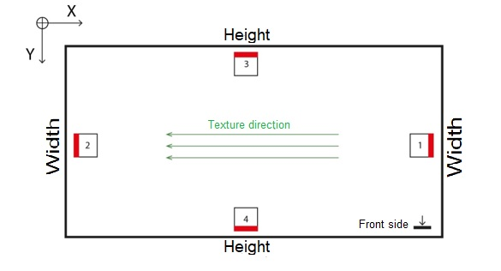
5 | Fill in the table with the dimensions of the finished facade** with edging, quantity, and edging type:
 | № types of edging:

6 | Select the side for the handle-profile and the side for the hinge holes:

8 | Select the type of packaging from the list |  |  |  | Price, UAH/m² incl. VAT | Total, UAH
 | Standard packaging |  |  |  | Free | 0.00

№ | Height, mm (along the texture) X | Width, mm Y | Quantity | Jointing | Type of edging (version No.) | Select Handle | Side for the handle-profile (version No.) | Standard Hinge Holes | Side for the hinge holes (version No.) | Area, m² | Perimeter, linear m | Price, UAH incl. VAT (retail) | Note
1 |  |  |  | No | 1 | Without handle-profile | 0 | Without holes | 0 | 0.000 | 0.00 | 0.00
2 |  |  |  | No | 1 | Without handle-profile | 0 | Without holes | 0 | 0.000 | 0.00 | 0.00
3 |  |  |  | No | 1 | Without handle-profile | 0 | Without holes | 0 | 0.000 | 0.00 | 0.00
4 |  |  |  | No | 1 | Without handle-profile | 0 | Without holes | 0 | 0.000 | 0.00 | 0.00
5 |  |  |  | No | 1 | Without handle-profile | 0 | Without holes | 0 | 0.000 | 0.00 | 0.00
6 |  |  |  | No | 1 | Without handle-profile | 0 | Without holes | 0 | 0.000 | 0.00 | 0.00
7 |  |  |  | No | 1 | Without handle-profile | 0 | Without holes | 0 | 0.000 | 0.00 | 0.00
8 |  |  |  | No | 1 | Without handle-profile | 0 | Without holes | 0 | 0.000 | 0.00 | 0.00
9 |  |  |  | No | 1 | Without handle-profile | 0 | Without holes | 0 | 0.000 | 0.00 | 0.00
10 |  |  |  | No | 1 | Without handle-profile | 0 | Without holes | 0 | 0.000 | 0.00 | 0.00
11 |  |  |  | No | 1 | Without handle-profile | 0 | Without holes | 0 | 0.000 | 0.00 | 0.00
12 |  |  |  | No | 1 | Without handle-profile | 0 | Without holes | 0 | 0.000 | 0.00 | 0.00
13 |  |  |  | No | 1 | Without handle-profile | 0 | Without holes | 0 | 0.000 | 0.00 | 0.00
14 |  |  |  | No | 1 | Without handle-profile | 0 | Without holes | 0 | 0.000 | 0.00 | 0.00
15 |  |  |  | No | 1 | Without handle-profile | 0 | Without holes | 0 | 0.000 | 0.00 | 0.00
16 |  |  |  | No | 1 | Without handle-profile | 0 | Without holes | 0 | 0.000 | 0.00 | 0.00
17 |  |  |  | No | 1 | Without handle-profile | 0 | Without holes | 0 | 0.000 | 0.00 | 0.00
18 |  |  |  | No | 1 | Without handle-profile | 0 | Without holes | 0 | 0.000 | 0.00 | 0.00
19 |  |  |  | No | 1 | Without handle-profile | 0 | Without holes | 0 | 0.000 | 0.00 | 0.00
20 |  |  |  | No | 1 | Without handle-profile | 0 | Without holes | 0 | 0.000 | 0.00 | 0.00
21 |  |  |  | No | 1 | Without handle-profile | 0 | Without holes | 0 | 0.000 | 0.00 | 0.00
22 |  |  |  | No | 1 | Without handle-profile | 0 | Without holes | 0 | 0.000 | 0.00 | 0.00
23 |  |  |  | No | 1 | Without handle-profile | 0 | Without holes | 0 | 0.000 | 0.00 | 0.00
24 |  |  |  | No | 1 | Without handle-profile | 0 | Without holes | 0 | 0.000 | 0.00 | 0.00
25 |  |  |  | No | 1 | Without handle-profile | 0 | Without holes | 0 | 0.000 | 0.00 | 0.00
26 |  |  |  | No | 1 | Without handle-profile | 0 | Without holes | 0 | 0.000 | 0.00 | 0.00
27 |  |  |  | No | 1 | Without handle-profile | 0 | Without holes | 0 | 0.000 | 0.00 | 0.00
28 |  |  |  | No | 1 | Without handle-profile | 0 | Without holes | 0 | 0.000 | 0.00 | 0.00
29 |  |  |  | No | 1 | Without handle-profile | 0 | Without holes | 0 | 0.000 | 0.00 | 0.00
30 |  |  |  | No | 1 | Without handle-profile | 0 | Without holes | 0 | 0.000 | 0.00 | 0.00
31 |  |  |  | No | 1 | Without handle-profile | 0 | Without holes | 0 | 0.000 | 0.00 | 0.00
32 |  |  |  | No | 1 | Without handle-profile | 0 | Without holes | 0 | 0.000 | 0.00 | 0.00
 | Total |  |  |  |  |  |  |  |  | 0.00 | 0.00 | #N/A
 |  |  |  |  |  |  |  |  |  |  |  | #N/A
 | If the total order area is less than 0.3 m², it will be charged as 0.3 m²

9 | Order Note:
* It is recommended to consider texture and batch for metallized products
** Permissible size tolerance for facades (±0.6 mm — facade from 50 to 120 mm; ±1.0 mm — facade from 121 to 315 mm; ±1.6 mm — facade from 316 to 1000 mm)
https://rost.ua

Handle-profile
Handle Schuco 00 | Handle Schuco 00 black
Handle-profile Schuco 00 | Handle-profile Schuco 00 black
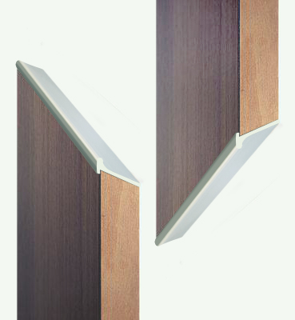
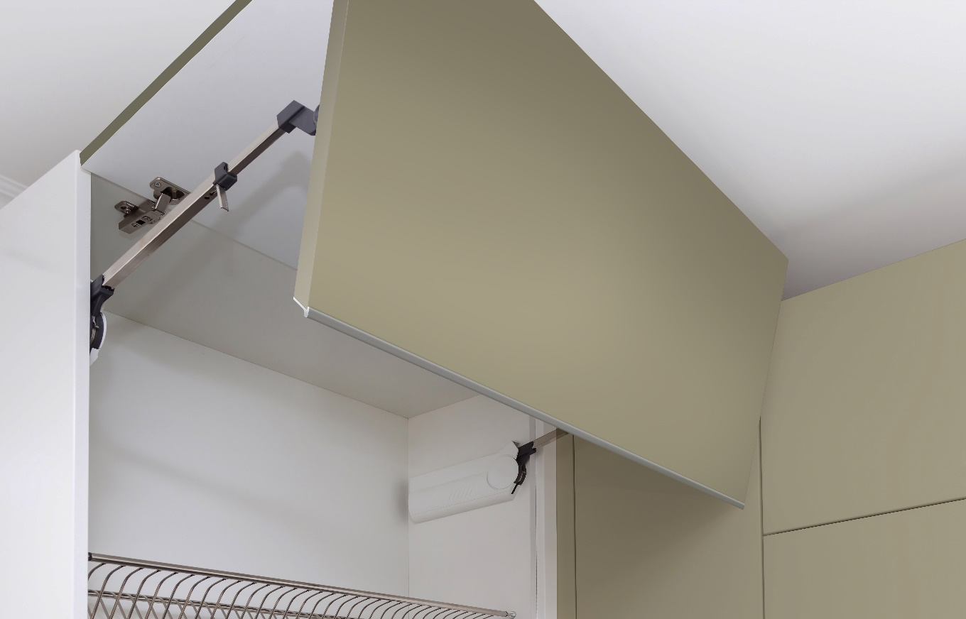
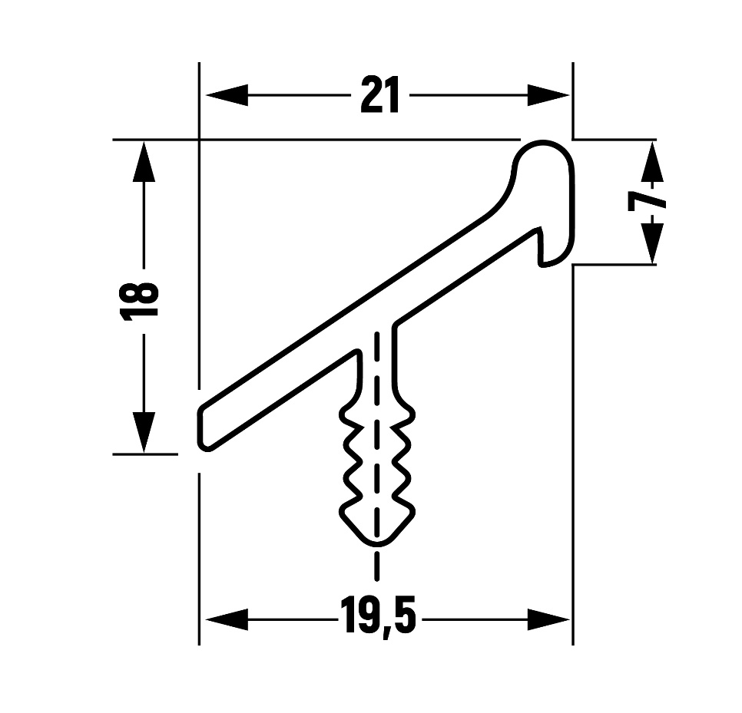
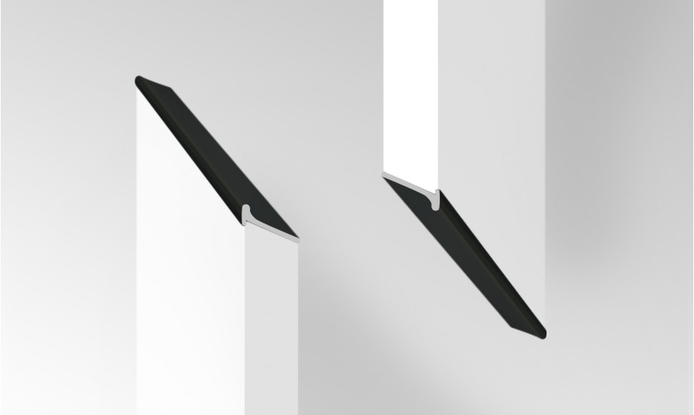
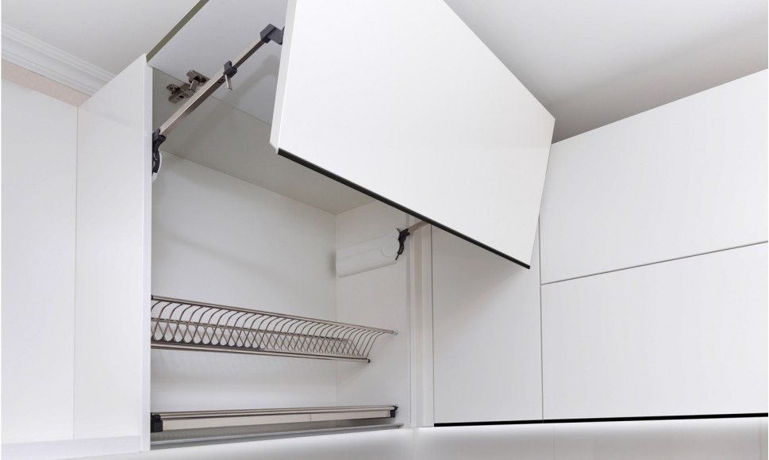

Handle Schuco 18 | Handle Schuco 18 black
Handle-profile Schuco 18 | Handle-profile Schuco 18 black

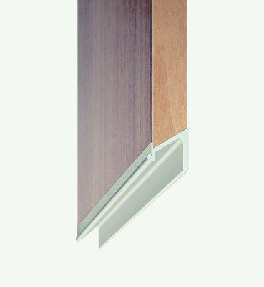
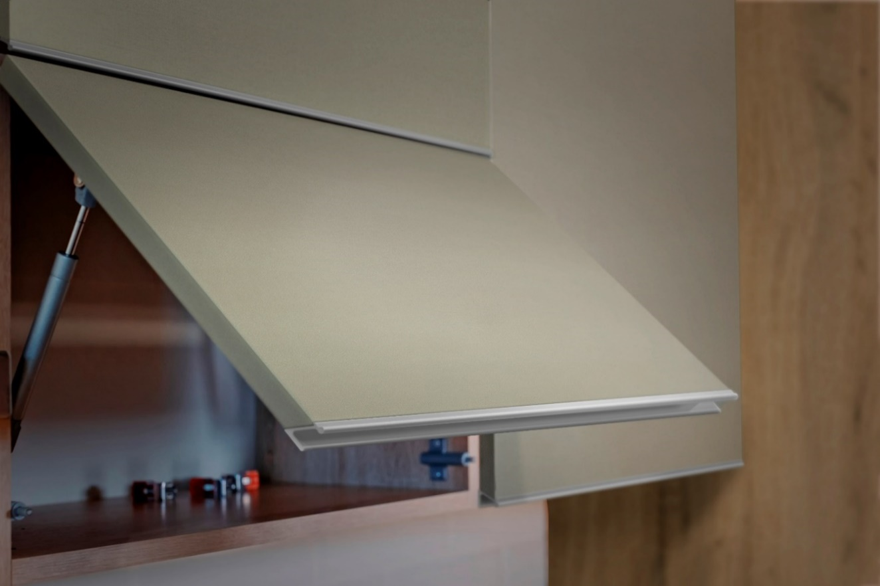
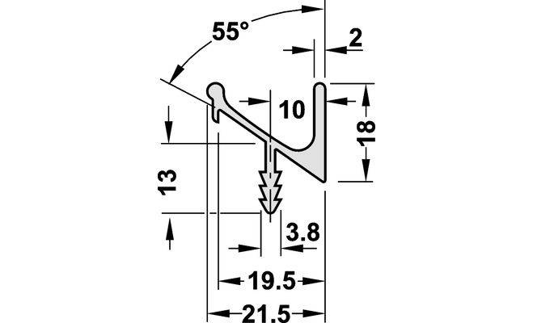
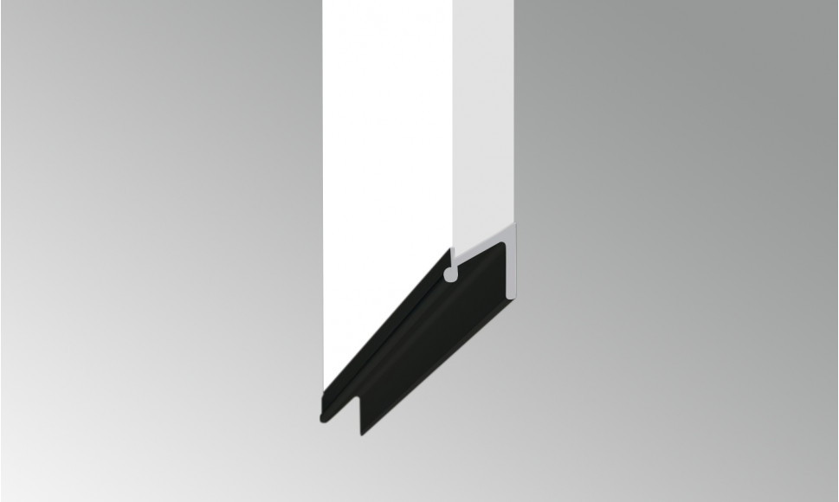
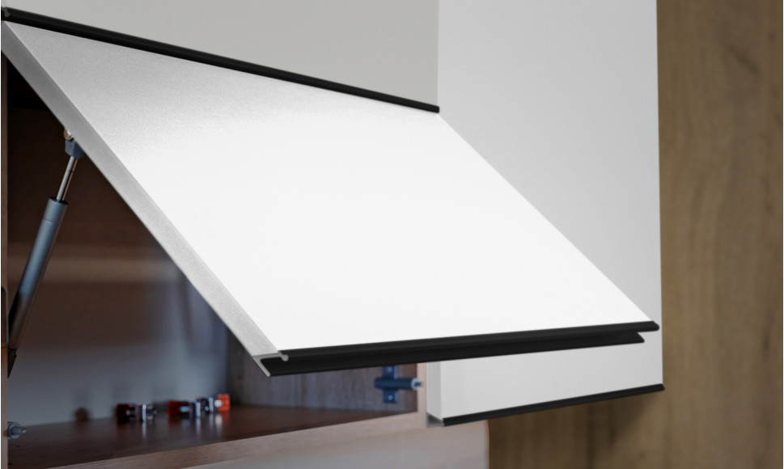

Handle Schuco 38 | Handle Schuco 38 black
Handle-profile Schuco 38 | Handle-profile Schuco 38 black
